Merge
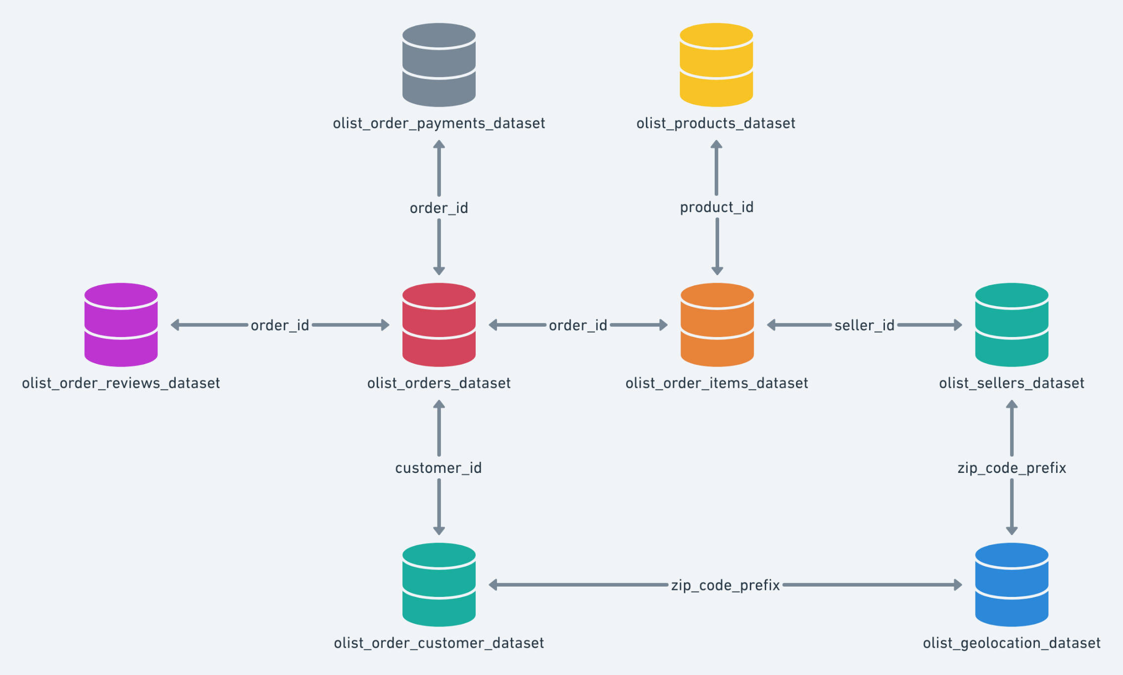
File | Values | key | duplicate keys
customer | 99,441 | customer_id | 0
geolocation | 1,000,163 | zip_code_prefix
items | 112,650 | order_id | 13209
payments | 103,886 | order_id | 4445
reviews | 100,000 | order_id | 559
orders | 99,441 | order_id | 0
products | 32,951 | product_id
sellers | 3,095
translation | 71

100000

merge order | direction
customers + orders | inner
olist + reviews | right
olist + payments | right
olist + items | left
---then combine and merge with whole | note: need to impute 2 values
products+eng translations | left
sellers+geolocation | left

15,083,733.00

